SiteScope Installation #1
SiteScope Questionnaire
Instructions: This questionnaire is to be completed by a SiteScope Administrator, with access to the SiteScope server.
How many instances of SiteScope does your company currently have in your environment? Please replicate this tab, and complete the questionnaire separately for each instance of the product. |  |  | One

Question |  |  | Yes / No
Is this instance used in production environment? |  |  | Yes
Is this instance used for developing SiteScope product add-on applications? |  |  | No
Is this instance used for SiteScope product migration testing, or SiteScope pre-production staging? |  |  | Yes
Is this instance used as a Cold Standby Backup? i.e. the instance is NOT up and running. If the production instance breaks down, or needs to be taken out of service, this instance needs to be manually switched on in order to take over for the production system. |  |  | No
Is this instance used as a Hot Standby Backup? i.e. the instance is up and running, ready to take over from the production instance if the production instance breaks down or needs to be taken out of service. |  |  | No
Does this instance process data, execute policies, or send/receive messages while production system is running? |  |  | Yes
Additional Comments

Application & Environment Information
Server/Machine Name | Product Version | Environment Type (Production, non-production, etc.) | Operating System | Monitored Components: [i.e. Firewalls, Network Devices, Web Servers, App Servers, File Servers, DBs, etc.] | Services Monitored: [i.e. WebLogic, Websphere, Oracle, SOA, etc.] | Used to Provide Services to a 3rd Party
ovsitescope.ad.btk.bg | Microsoft Windows Server 2008 R2 Enterprise | Production | 6.1.7601 Service Pack 1 Build 7601 | Network Devices, Web Servers, App Servers, File Servers. | URL mon., DB Query, Port, Web Service, Siebel monitors, Siebel Service. | Non

Additional Questions |  |  | Yes / No?
Are there any SiteScope licenses used for monitoring LoadRunner testing activities? |  |  | No
Are there any SiteScope installations that are not being used with SAM? |  |  | No

Licensing Information Display
Instructions: Login as the admin and navigate to the Preferences section, to expand the Licenses panel. Obtain a screenshot of the values “Type”, “Description”, “Expires” and “Quantity”, under the Installed Licenses section.
***SAMPLE DATA*** |  |  |  | Insert Screenshot Below
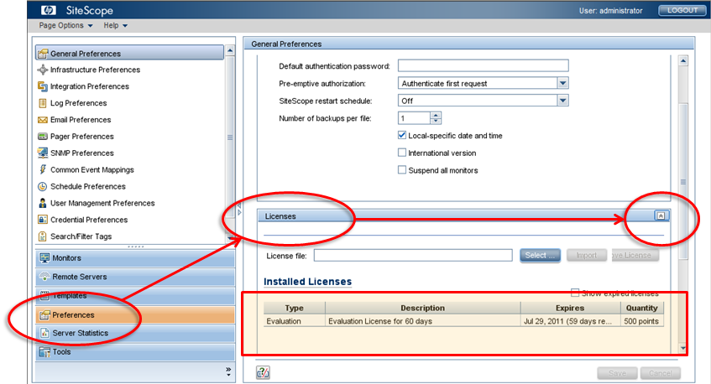 For version 11.x |  |  |  | 

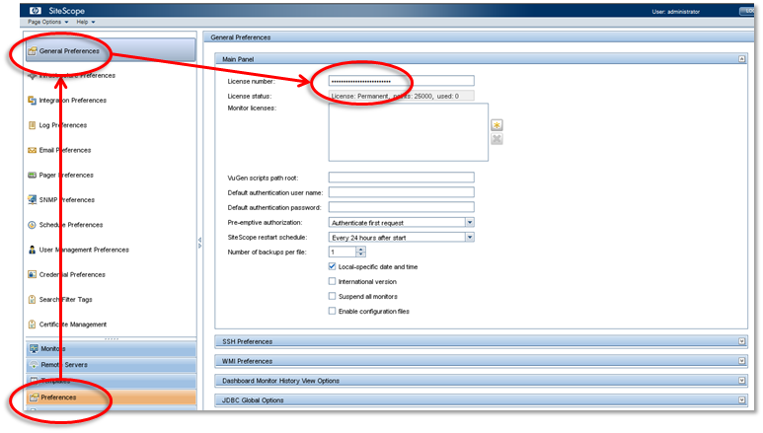 For version pre-11.x

Monitor / Logging Information
Instructions: Logon as administrator and navigate to the SiteScope application directory and find the monitorCount.log file. The file on a typical install is located at C:\Sitescope\logs\monitorCount.log. Then, obtain a copy and provide as a text file.
***SAMPLE DATA*** |  |  |  | Insert Screenshot Below
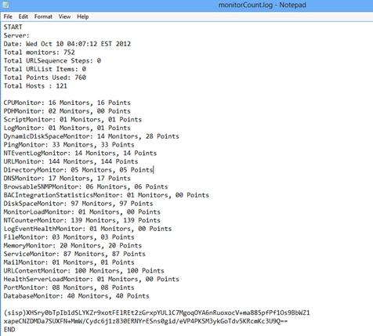

Instructions: Login as the administrator and click on Help --> About SiteScope option and obtain a screenshot.
***SAMPLE DATA*** |  |  |  | Insert Screenshot Below
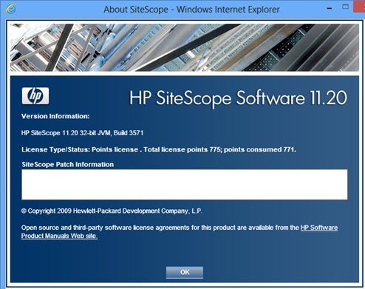 |  |  |  | 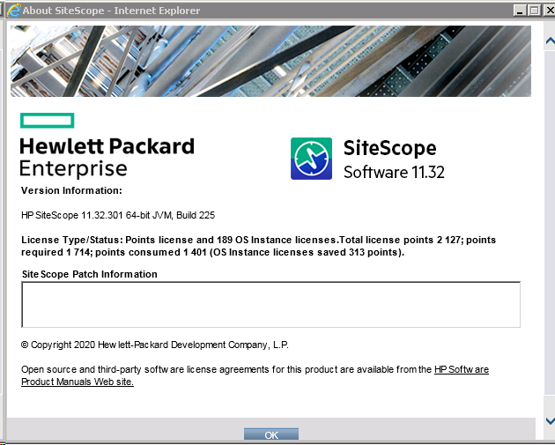

Solution Templates & License Extensions
Instructions: Login as administrator and navigate to “Templates” and expand the “Solution Templates”. Obtain a screenshot to capture ALL the templates under this view. IMPORTANT NOTE: This may require scrolling down to take multiple screenshots.
***SAMPLE DATA*** |  |  |  | Insert Screenshot Below
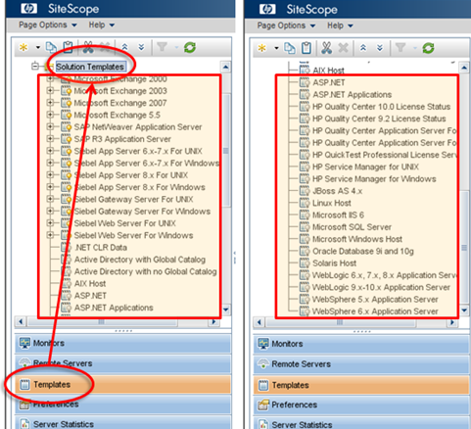 |  |  |  | 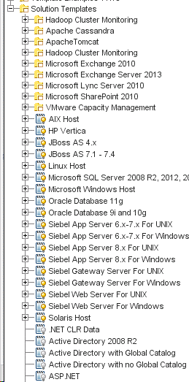 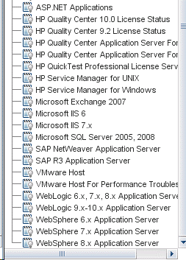

SAM Installation #1
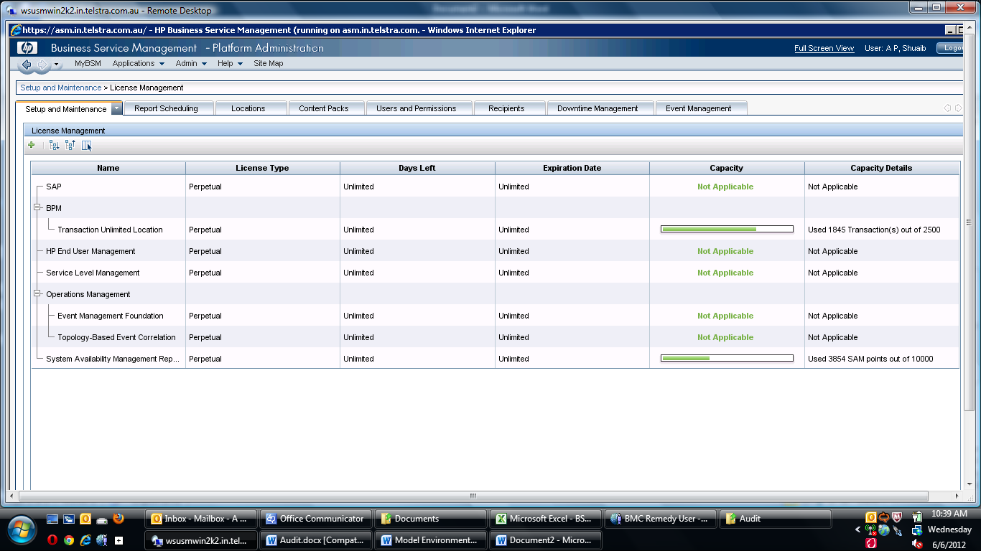
SAM questionnaire
Instructions: This questionnaire is to be completed by a BAC Administrator, with access to the SAM application within BAC.
How many instances of BAC-SAM does your company currently have in your environment? Please replicate this tab, and complete the questionnaire separately for each instance of the product.

Question |  |  | Yes / No
Is this instance used in production environment?
Is this instance used for developing BAC-SAM product add-on applications?
Is this instance used for BAC-SAM product migration testing, or BAC-SAM pre-production staging?
Is this instance used as a Cold Standby Backup? i.e. the instance is NOT up and running. If the production instance breaks down, or needs to be taken out of service, this instance needs to be manually switched on in order to take over for the production system.
Is this instance used as a Hot Standby Backup? i.e. the instance is up and running, ready to take over from the production instance if the production instance breaks down or needs to be taken out of service.
Does this instance process data, execute policies, or send/receive messages while production system is running?
Additional Comments

Application & Environment Information
Server/Machine Name | Product Version | Environment Type | Operating System | Monitored Components: [i.e. Firewalls, Network Devices, Web Servers, App Servers, File Servers, DBs, etc.] | Services Monitored: [i.e. WebLogic, Websphere, Oracle, SOA, etc.] | Used to Provide Services as a 3rd Party

License Information
Instructions: Login to the admin console and obtain a screenshot of the License Management panel and identify if System Availability Management is “Valid” or “Not Licensed” by scrolling down to the Applications section as indicated below.
***SAMPLE DATA*** |  |  |  | Insert Screenshot Below
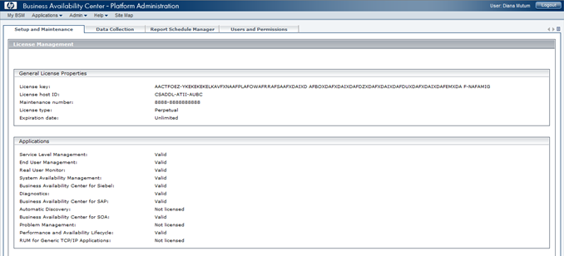 For version 8.x

SAM Points Used Display
Instructions: Login to the admin console and navigate to Admin, System Availability Management, obtain a screenshot of the number of points being used by SAM.
***SAMPLE DATA*** |  |  |  | Insert Screenshot Below
For version 8.x
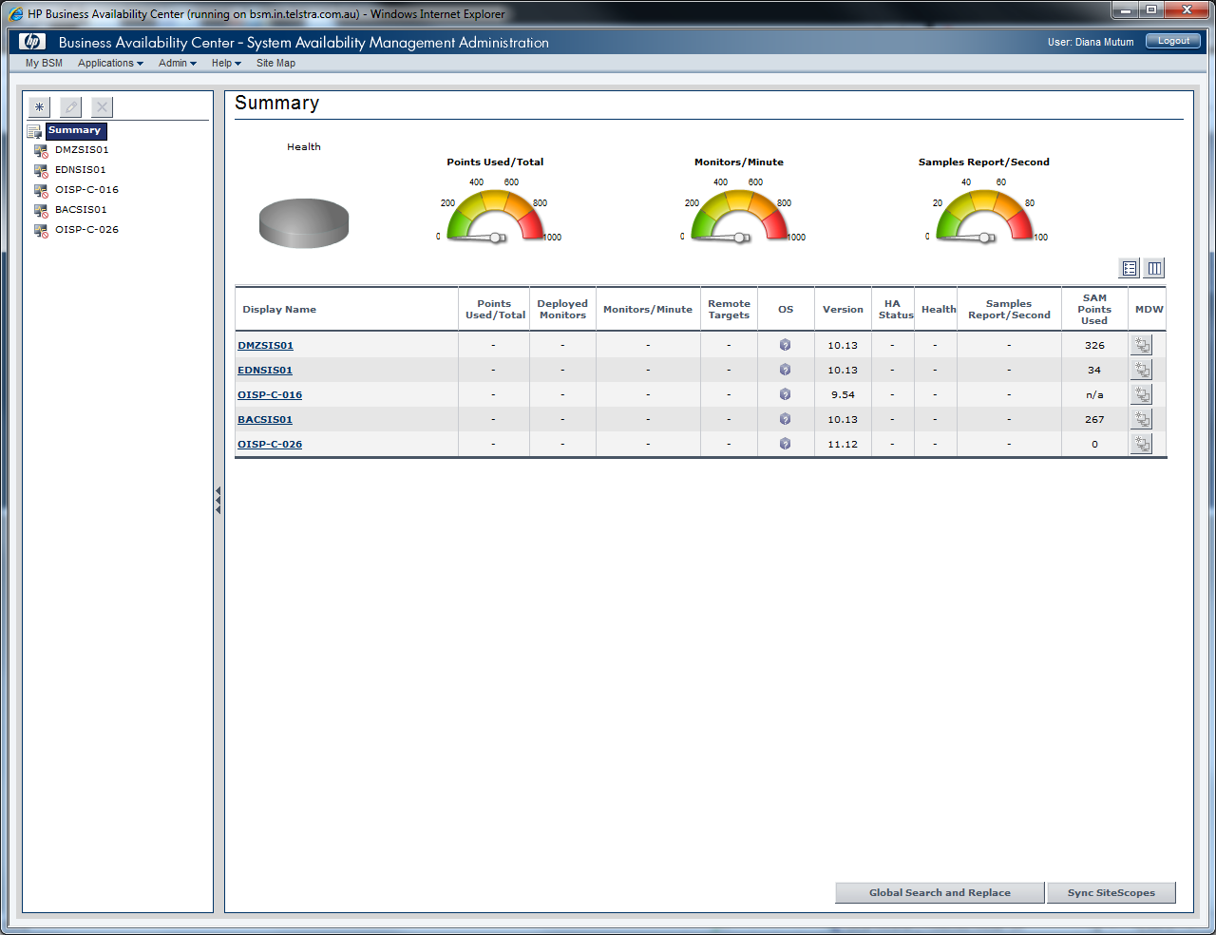

License Information
Instructions: Login to the admin console and obtain a screenshot of the actual points consumed against the total points under the Setup & Maintenance tab. Additionally, navigate to the System Availability Management page under Admin in order to identify the SiteScope servers reporting to BAC to determine the individual points consumed by each SiteScope server.
***SAMPLE DATA*** |  |  |  | Insert Screenshot Below
For version 9.x

